Foglio1
European Senior Bowling Championship 2023
Bologna / Italy
_____________________________________________________________
FORM A
Estimate of Players & Guests
_____________________________________________________________
Please return this form no later than 15th January 2023 to balestra.paola@tiscali.it

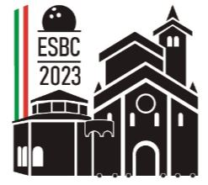

Federation

Expected number of players |  |  |  | male

 |  |  |  | female

Expected number of guests

Pax total |  |  |  |  | 0
________________________________________________________________________________
Expected number of rooms | Single | Double | Twin | Family 4 | Pax total

Boutique Hotel Calzavecchio |  |  |  |  | 0

Savoia Country house |  |  |  |  | 0

Savoia Regency |  |  |  |  | 0

Living Place |  |  |  |  | 0

NH Villanova |  |  |  |  | 0

The Sidney Hotel |  |  |  |  | 0

Will choose other accomodation on our own
Pax total |  |  |  |  | 0

Other remarks

________________________________________________________________________________
Head of delegation:
Name
Phone
E-Mail

